screenshot
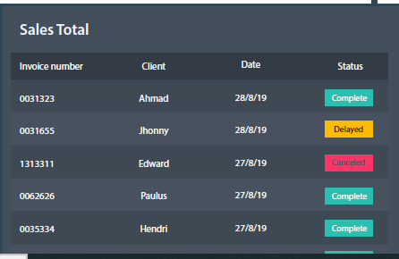
Home page UX design - screen 3 |  |  | Home page UX design - screen 1

 |  |  | Home page UX design - screen 2

 | Home page UX design - screen 4 |  |  | Home page UX design - screen 5
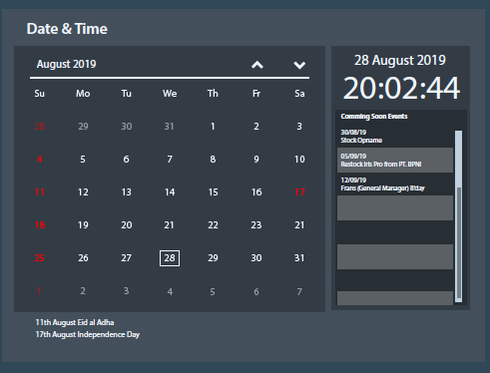

 |  | Home page UX design - screen 6
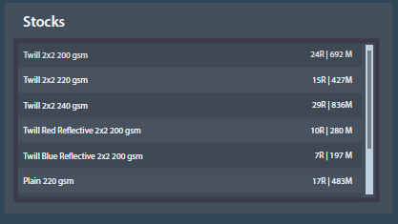

 |  |  |  | Home page UX design - screen 7

